Auto Info
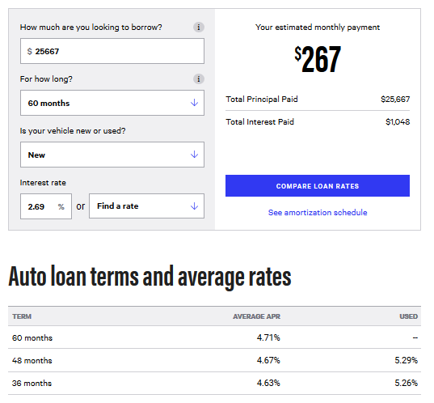
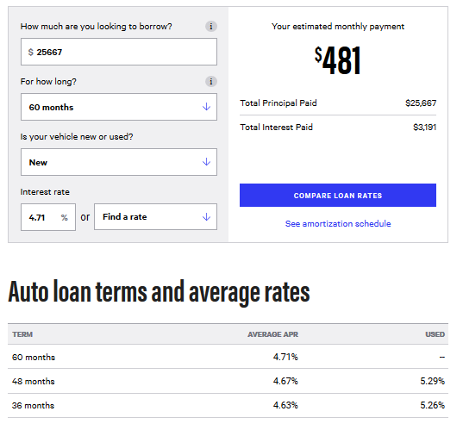
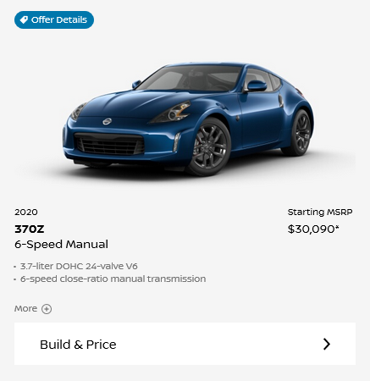
Nissan.com as of 11/1/20
 |  |  |  |  |  | 1 | 1 | 1 | 1 | 1 | 1 | 1 | 1 | 1 | 1 | 1 | 1 | 2 | 2 | 2 | 2 | 2 | 2 | 2 | 2 | 2 | 2 | 2 | 2 | 3 | 3 | 3 | 3 | 3 | 3 | 3 | 3 | 3 | 3 | 3 | 3 | 4 | 4 | 4 | 4 | 4 | 4 | 4 | 4 | 4 | 4 | 4 | 4 | 5 | 5 | 5 | 5 | 5 | 5 | 5 | 5 | 5 | 5 | 5 | 5
 | Maryland Car Tax |  |  |  |  | 1 | 2 | 3 | 4 | 5 | 6 | 7 | 8 | 9 | 10 | 11 | 12 | 1 | 2 | 3 | 4 | 5 | 6 | 7 | 8 | 9 | 10 | 11 | 12 | 1 | 2 | 3 | 4 | 5 | 6 | 7 | 8 | 9 | 10 | 11 | 12 | 1 | 2 | 3 | 4 | 5 | 6 | 7 | 8 | 9 | 10 | 11 | 12 | 1 | 2 | 3 | 4 | 5 | 6 | 7 | 8 | 9 | 10 | 11 | 12
 | sales tax | 6.00%
 | title tax | 50 |  |  |  | Vehicle Cash Out and Depreciation
 | transfer tax | 10 |  |  |  | Yr 1 - Mo 1 | Yr 1 - Mo 2 | Yr 1 - Mo 3 | Yr 1 - Mo 4 | Yr 1 - Mo 5 | Yr 1 - Mo 6 | Yr 1 - Mo 7 | Yr 1 - Mo 8 | Yr 1 - Mo 9 | Yr 1 - Mo 10 | Yr 1 - Mo 11 | Yr 1 - Mo 12 | Yr 2 - Mo 1 | Yr 2 - Mo 2 | Yr 2 - Mo 3 | Yr 2 - Mo 4 | Yr 2 - Mo 5 | Yr 2 - Mo 6 | Yr 2 - Mo 7 | Yr 2 - Mo 8 | Yr 2 - Mo 9 | Yr 2 - Mo 10 | Yr 2 - Mo 11 | Yr 2 - Mo 12 | Yr 3 - Mo 1 | Yr 3 - Mo 2 | Yr 3 - Mo 3 | Yr 3 - Mo 4 | Yr 3 - Mo 5 | Yr 3 - Mo 6 | Yr 3 - Mo 7 | Yr 3 - Mo 8 | Yr 3 - Mo 9 | Yr 3 - Mo 10 | Yr 3 - Mo 11 | Yr 3 - Mo 12 | Yr 4 - Mo 1 | Yr 4 - Mo 2 | Yr 4 - Mo 3 | Yr 4 - Mo 4 | Yr 4 - Mo 5 | Yr 4 - Mo 6 | Yr 4 - Mo 7 | Yr 4 - Mo 8 | Yr 4 - Mo 9 | Yr 4 - Mo 10 | Yr 4 - Mo 11 | Yr 4 - Mo 12 | Yr 5 - Mo 1 | Yr 5 - Mo 2 | Yr 5 - Mo 3 | Yr 5 - Mo 4 | Yr 5 - Mo 5 | Yr 5 - Mo 6 | Yr 5 - Mo 7 | Yr 5 - Mo 8 | Yr 5 - Mo 9 | Yr 5 - Mo 10 | Yr 5 - Mo 11 | Yr 5 - Mo 12 | Total
 | Registration tax | 128 to 180 |  |  | Cash Down | 6,416 |  |  |  |  |  |  |  |  |  |  |  |  |  |  |  |  |  |  |  |  |  |  |  |  |  |  |  |  |  |  |  |  |  |  |  |  |  |  |  |  |  |  |  |  |  |  |  |  |  |  |  |  |  |  |  |  |  |  |  | 6,416
 |  |  |  |  | Insurance | 84 | 84 | 84 | 84 | 84 | 84 | 84 | 84 | 84 | 84 | 84 | 84 | 87 | 87 | 87 | 87 | 87 | 87 | 87 | 87 | 87 | 87 | 87 | 87 | 90 | 90 | 90 | 90 | 90 | 90 | 90 | 90 | 90 | 90 | 90 | 90 | 93 | 93 | 93 | 93 | 93 | 93 | 93 | 93 | 93 | 93 | 93 | 93 | 96 | 96 | 96 | 96 | 96 | 96 | 96 | 96 | 96 | 96 | 96 | 96 | 5,384
 |  |  |  |  | Maintennce | 17 | 17 | 17 | 17 | 17 | 17 | 17 | 17 | 17 | 17 | 17 | 17 | 30 | 30 | 30 | 30 | 30 | 30 | 30 | 30 | 30 | 30 | 30 | 30 | 19 | 19 | 19 | 19 | 19 | 19 | 19 | 19 | 19 | 19 | 19 | 19 | 47 | 47 | 47 | 47 | 47 | 47 | 47 | 47 | 47 | 47 | 47 | 47 | 113 | 113 | 113 | 113 | 113 | 113 | 113 | 113 | 113 | 113 | 113 | 113 | 2,708
 |  |  |  |  | Repairs | 0 | 0 | 0 | 0 | 0 | 0 | 0 | 0 | 0 | 0 | 0 | 0 | 0 | 0 | 0 | 0 | 0 | 0 | 0 | 0 | 0 | 0 | 0 | 0 | 4 | 4 | 4 | 4 | 4 | 4 | 4 | 4 | 4 | 4 | 4 | 4 | 11 | 11 | 11 | 11 | 11 | 11 | 11 | 11 | 11 | 11 | 11 | 11 | 16 | 16 | 16 | 16 | 16 | 16 | 16 | 16 | 16 | 16 | 16 | 16 | 372
 |  |  |  |  | Fuel | 86 | 86 | 86 | 86 | 86 | 86 | 86 | 86 | 86 | 86 | 86 | 86 | 89 | 89 | 89 | 89 | 89 | 89 | 89 | 89 | 89 | 89 | 89 | 89 | 91 | 91 | 91 | 91 | 91 | 91 | 91 | 91 | 91 | 91 | 91 | 91 | 94 | 94 | 94 | 94 | 94 | 94 | 94 | 94 | 94 | 94 | 94 | 94 | 97 | 97 | 97 | 97 | 97 | 97 | 97 | 97 | 97 | 97 | 97 | 97 | 5,475
 | Car Purchase Cost |  |  |  | Loan Payment | 267 | 267 | 267 | 267 | 267 | 267 | 267 | 267 | 267 | 267 | 267 | 267 | 267 | 267 | 267 | 267 | 267 | 267 | 267 | 267 | 267 | 267 | 267 | 267 | 267 | 267 | 267 | 267 | 267 | 267 | 267 | 267 | 267 | 267 | 267 | 267 | 267 | 267 | 267 | 267 | 267 | 267 | 267 | 267 | 267 | 267 | 267 | 267 | 267 | 267 | 267 | 267 | 267 | 267 | 267 | 267 | 267 | 267 | 267 | 267 | 16,020
 | MSRP |  | 30,090 |  | Depreciation | 196 | 196 | 196 | 196 | 196 | 196 | 196 | 196 | 196 | 196 | 196 | 196 | 195 | 195 | 195 | 195 | 195 | 195 | 195 | 195 | 195 | 195 | 195 | 195 | 159 | 159 | 159 | 159 | 159 | 159 | 159 | 159 | 159 | 159 | 159 | 159 | 178 | 178 | 178 | 178 | 178 | 178 | 178 | 178 | 178 | 178 | 178 | 178 | 156 | 156 | 156 | 156 | 156 | 156 | 156 | 156 | 156 | 156 | 156 | 156 | 10,604
 | Sales tax | 6.00% | 1,805 |  | Cash Expenses | 6,869 | 453 | 453 | 453 | 453 | 453 | 453 | 453 | 453 | 453 | 453 | 453 | 472 | 472 | 472 | 472 | 472 | 472 | 472 | 472 | 472 | 472 | 472 | 472 | 471 | 471 | 471 | 471 | 471 | 471 | 471 | 471 | 471 | 471 | 471 | 471 | 511 | 511 | 511 | 511 | 511 | 511 | 511 | 511 | 511 | 511 | 511 | 511 | 589 | 589 | 589 | 589 | 589 | 589 | 589 | 589 | 589 | 589 | 589 | 589 | 36,375
 | title tax |  | 50 |  | Vehicle Value | 29,894 | 29,699 | 29,503 | 29,307 | 29,112 | 28,916 | 28,720 | 28,525 | 28,329 | 28,133 | 27,937 | 27,742 | 27,547 | 27,352 | 27,158 | 26,963 | 26,768 | 26,573 | 26,379 | 26,184 | 25,989 | 25,794 | 25,600 | 25,405 | 25,246 | 25,087 | 24,927 | 24,768 | 24,609 | 24,450 | 24,291 | 24,132 | 23,973 | 23,814 | 23,654 | 23,495 | 23,317 | 23,139 | 22,961 | 22,782 | 22,604 | 22,426 | 22,248 | 22,069 | 21,891 | 21,713 | 21,535 | 21,356 | 21,200 | 21,045 | 20,889 | 20,733 | 20,577 | 20,421 | 20,265 | 20,109 | 19,953 | 19,798 | 19,642 | 19,486
 | transfer tax |  | 10
 | Registration tax |  | 128 |  |  |  |  |  | -35.24% | Total Depreciation over 5 Years
 |  | Total Cost | 32,083 |  | Notes
 |  | 20% down | 6,416.68 |  | Maintenance, Repairs, fuel from Edmunds estimate cut in half to account for 7.5k mi/year
 |  | Loan Amount | 25,667 |  | Depreciation reduced to 75%, assumed number based on 50% age, 50% mileage(which mileage is now 25% for 7.5k mi)
 |  |  |  |  | Generously allowed depreciation to play out over time instead of imposing a 10-20% decrease in value from driving it off the lot

 |  |  |  | Edmunds – based on 15k miles/year
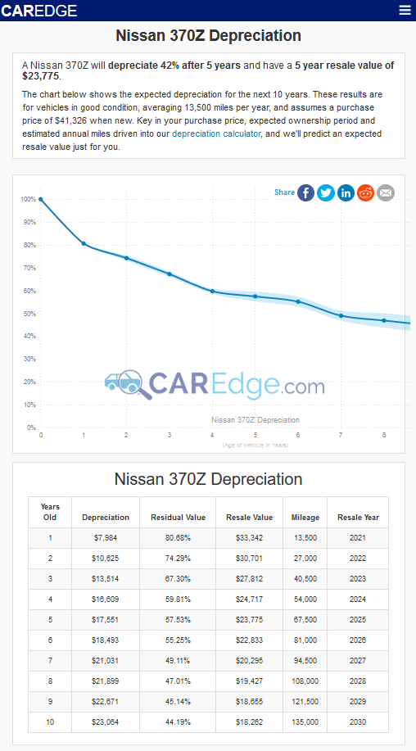
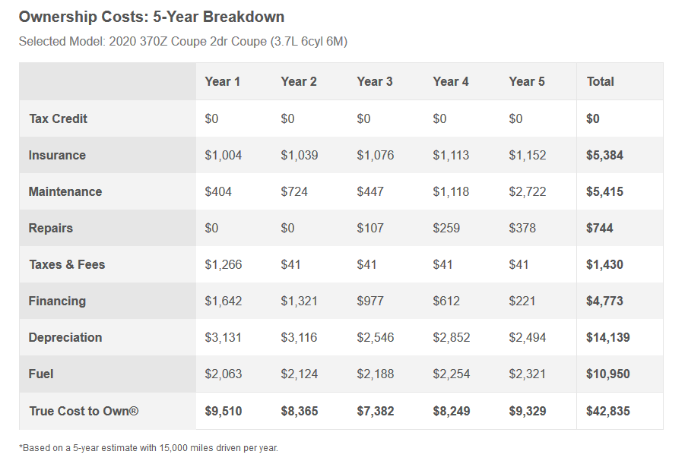
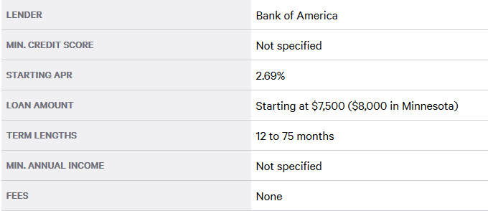
Bankrate as of 11/1/20

